Diesel Gasoline split
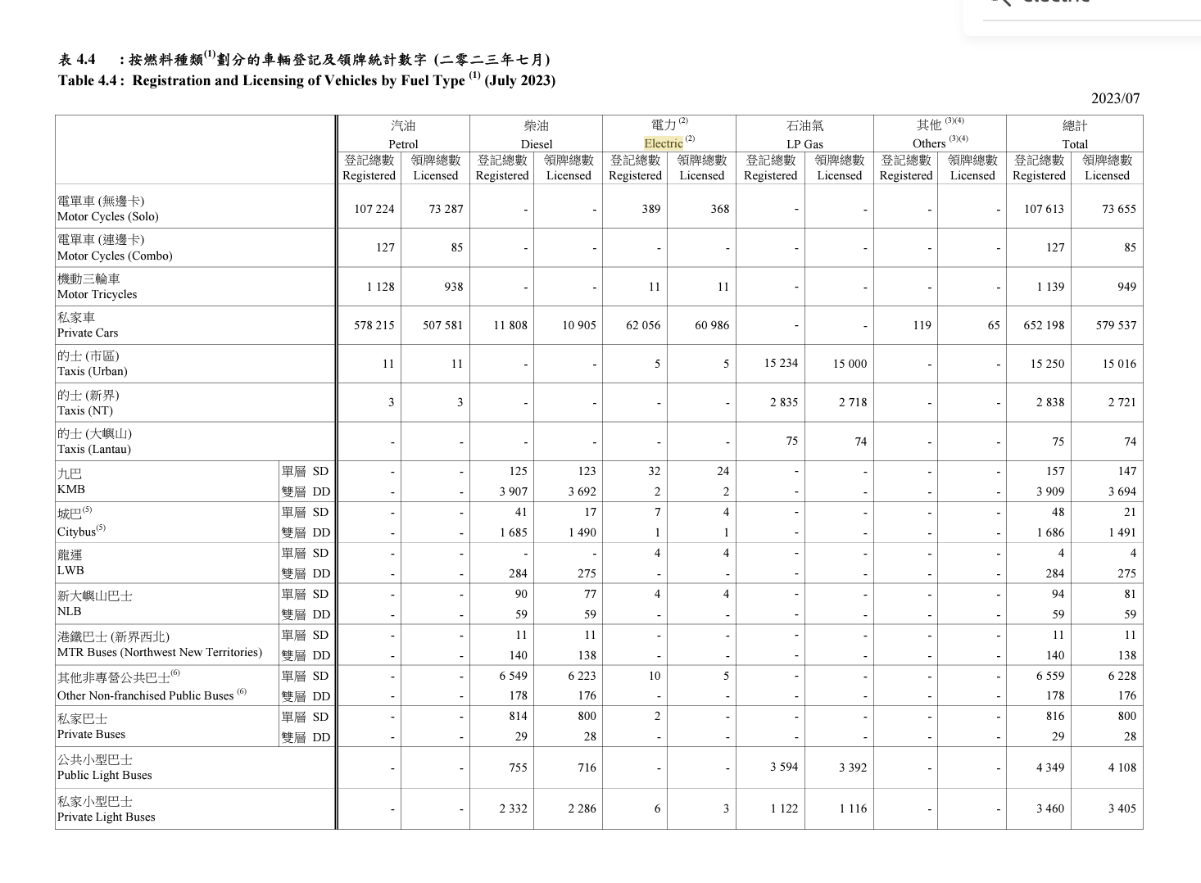

Fraction of Diesel cars: | 0.018318617965
Fraction of gasoline cars: | 0.98168138204

Fraction of Diesel buses: | 0.77974634524
Fraction of gasoline buses: | 0.22025365476

Ferries
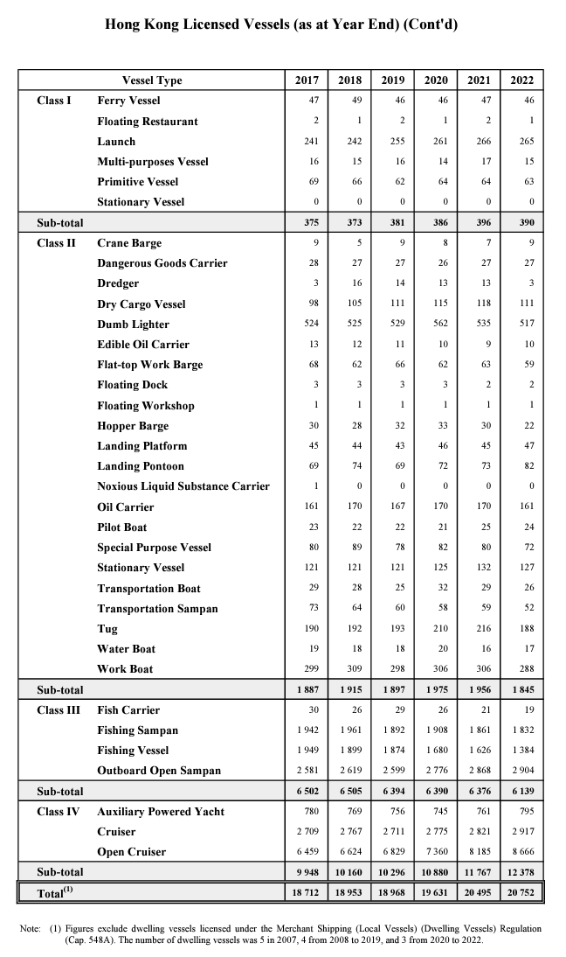

 |  | ›

We use the number of dangerous goods carriers and dry cargo vessel as proxy for the number of freight boats.

 | Year Taken from: 2022
 | 138

